Sheet1
Di dalam paper terdapat 4 proses, yaitu :
1. Haar-Like Feature
2. Integral Image
3. AdaBoost
4. Cascade Classifier

1. Haar-Like Feature
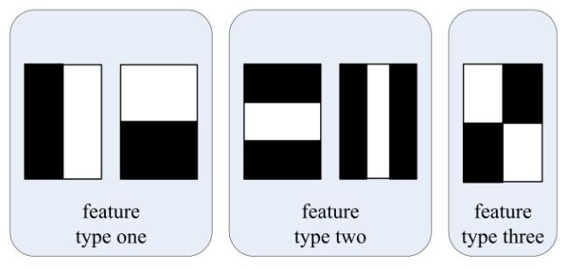
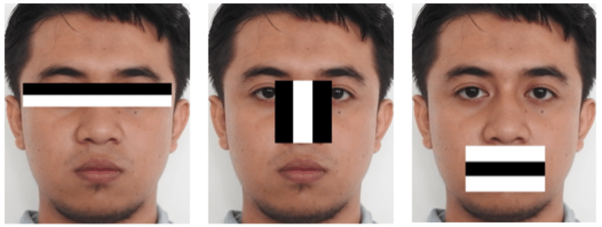

Untuk identifikasi mulut dapat memakai feature type two |  |  |  |  |  | Tiga kotak : W1 + W2 - B

Contoh Citra

 | 2 | 1 | 2 | 3
 | 3 | 2 | 1 | 2
 | 4 | 2 | 1 | 1
 | 8 | 5 | 9 | 4

2. Integral Image

Nilai intensitas pixel (1,1)
 | 1 | 2 | 3 | 4 | i(x,y) | = 2 |  |  |  | Nilai intensitas pixel (1,2)
1 | 2 | 0 | 0 | 0 | s(x+1,y) | = 0 |  |  |  |  | 1 | 2 | 3 | 4 | i(x,y) | = 1
2 | 0 | 0 | 0 | 0 | s(x,y+1) | = 0 |  |  |  | 1 | 2 | 1 |  |  | s(x+1,y) | = 2
3 | 0 | 0 | 0 | 0 | s(x+1,y+1) | = 0 |  |  |  | 2 |  |  |  |  | s(x,y+1) | = 0
4 | 0 | 0 | 0 | 0 | s(x,y) | = i(x,y)+s(x+1,y)+s(x,y+1)-s(x+1,y+1) |  |  |  | 3 |  |  |  |  | s(x+1,y+1) | = 0
 |  |  |  |  |  | = 2 |  |  |  | 4 |  |  |  |  | s(x,y) | = i(x,y)+s(x+1,y)+s(x,y+1)-s(x+1,y+1)
 |  |  |  |  |  |  |  |  |  |  |  |  |  |  |  | = 3

Nilai intensitas pixel (1,3) |  |  |  |  |  |  |  |  |  | Nilai intensitas pixel (1,4)
 | 1 | 2 | 3 | 4 | i(x,y) | = 2 |  |  |  |  | 1 | 2 | 3 | 4 | i(x,y) | = 3
1 | 2 | 3 | 2 |  | s(x+1,y) | = 3 |  |  |  | 1 | 2 | 3 | 5 | 3 | s(x+1,y) | = 5
2 |  |  |  |  | s(x,y+1) | = 0 |  |  |  | 2 |  |  |  |  | s(x,y+1) | = 0
3 |  |  |  |  | s(x+1,y+1) | = 0 |  |  |  | 3 |  |  |  |  | s(x+1,y+1) | = 0
4 |  |  |  |  | s(x,y) | = i(x,y)+s(x+1,y)+s(x,y+1)-s(x+1,y+1) |  |  |  | 4 |  |  |  |  | s(x,y) | = i(x,y)+s(x+1,y)+s(x,y+1)-s(x+1,y+1)
 |  |  |  |  |  | = 5 |  |  |  |  |  |  |  |  |  | = 8

Nilai intensitas pixel (2,1) |  |  |  |  |  |  |  |  |  | Nilai intensitas pixel (2,2)
 | 1 | 2 | 3 | 4 | i(x,y) | = 3 |  |  |  |  | 1 | 2 | 3 | 4 | i(x,y) | = 2
1 | 2 | 3 | 5 | 8 | s(x+1,y) | = 0 |  |  |  | 1 | 2 | 3 | 5 | 8 | s(x+1,y) | = 5
2 | 3 |  |  |  | s(x,y+1) | = 2 |  |  |  | 2 | 5 | 2 |  |  | s(x,y+1) | = 3
3 |  |  |  |  | s(x+1,y+1) | = 0 |  |  |  | 3 |  |  |  |  | s(x+1,y+1) | = 2
4 |  |  |  |  | s(x,y) | = i(x,y)+s(x+1,y)+s(x,y+1)-s(x+1,y+1) |  |  |  | 4 |  |  |  |  | s(x,y) | = i(x,y)+s(x+1,y)+s(x,y+1)-s(x+1,y+1)
 |  |  |  |  |  | = 5 |  |  |  |  |  |  |  |  |  | = 8

Nilai intensitas pixel (2,3) |  |  |  |  |  |  |  |  |  | Nilai intensitas pixel (2,4)
 | 1 | 2 | 3 | 4 | i(x,y) | = 1 |  |  |  |  | 1 | 2 | 3 | 4 | i(x,y) | = 1
1 | 2 | 3 | 5 | 8 | s(x-1,y+1) | = 5 |  |  |  | 1 | 2 | 3 | 5 | 8 | s(x-2,y+1) | = 8
2 | 5 | 8 | 1 |  | s(x,y+1) | = 3 |  |  |  | 2 | 5 | 8 | 11 | 2 | s(x-2,y) | = 11
3 |  |  |  |  | s(x+2,y+2) | = 8 |  |  |  | 3 |  |  |  |  | s(x-1,y+1) | = 5
4 |  |  |  |  | s(x,y) | = i(x,y)+s(x-1,y+1)+s(x+2,y+2)-s(x,y+1) |  |  |  | 4 |  |  |  |  | s(x,y) | = i(x,y)+s(x-2,y+1)+s(x-2,y)-s(x-1,y+1)
 |  |  |  |  |  | = 11 |  |  |  |  |  |  |  |  |  | = 16

Nilai intensitas pixel (3,1) |  |  |  |  |  |  |  |  |  | Nilai intensitas pixel (3,2)
 | 1 | 2 | 3 | 4 | i(x,y) | = 4 |  |  |  |  | 1 | 2 | 3 | 4 | i(x,y) | = 2
1 | 2 | 3 | 5 | 8 | s(x+1,y) | = 0 |  |  |  | 1 | 2 | 3 | 5 | 8 | s(x+2,y+2) | = 8
2 | 5 | 8 | 11 | 16 | s(x,y+1) | = 5 |  |  |  | 2 | 5 | 8 | 11 | 16 | s(x+1,y-1) | = 9
3 | 4 |  |  |  | s(x+1,y+1) | = 0 |  |  |  | 3 | 9 | 2 |  |  | s(x+1,y) | = 5
4 |  |  |  |  | s(x,y) | = i(x,y)+s(x,y+1)+s(x+1,y)-s(x+1,y+1) |  |  |  | 4 |  |  |  |  | s(x,y) | = i(x,y)+s(x+2,y+2)+s(x+1,y-1)-s(x+1,y)
 |  |  |  |  |  | = 9 |  |  |  |  |  |  |  |  |  | = 14

Nilai intensitas pixel (3,3) |  |  |  |  |  |  |  |  |  | Nilai intensitas pixel (3,4)
 | 1 | 2 | 3 | 4 | i(x,y) | = 1 |  |  |  |  | 1 | 2 | 3 | 4 | i(x,y) | = 1
1 | 2 | 3 | 5 | 8 | s(x-1,y) | = 11 |  |  |  | 1 | 2 | 3 | 5 | 8 | s(x-2,y) | = 16
2 | 5 | 8 | 11 | 16 | s(x,y-1) | = 14 |  |  |  | 2 | 5 | 8 | 11 | 16 | s(x-1,y-1) | = 18
3 | 9 | 14 | 1 |  | s(x+2,y+2) | = 8 |  |  |  | 3 | 9 | 14 | 18 | 1 | s(x-1,y) | = 11
4 |  |  |  |  | s(x,y) | = i(x,y)+s(x-1,y)+s(x,y-1)-s(x+2,y+2) |  |  |  | 4 |  |  |  |  | s(x,y) | = i(x,y)+s(x-2,y)+s(x-1,y-1)-s(x-1,y)
 |  |  |  |  |  | = 18 |  |  |  |  |  |  |  |  |  | = 24

Nilai intensitas pixel (4,1) |  |  |  |  |  |  |  |  |  | Nilai intensitas pixel (4,2)
 | 1 | 2 | 3 | 4 | i(x,y) | = 8 |  |  |  |  | 1 | 2 | 3 | 4 | i(x,y) | = 5
1 | 2 | 3 | 5 | 8 | s(x+1,y) | = 0 |  |  |  | 1 | 2 | 3 | 5 | 8 | s(x,y-1) | = 14
2 | 5 | 8 | 11 | 16 | s(x,y+1) | = 9 |  |  |  | 2 | 5 | 8 | 11 | 16 | s(x+1,y-2) | = 17
3 | 9 | 14 | 18 | 24 | s(x+1,y+1) | = 0 |  |  |  | 3 | 9 | 14 | 18 | 24 | s(x+1,y-1) | = 9
4 | 8 |  |  |  | s(x,y) | = i(x,y)+s(x-2,y+1)+s(x-2,y)-s(x-1,y+1) |  |  |  | 4 | 17 | 5 |  |  | s(x,y) | = i(x,y)+s(x,y-1)+s(x+1,y-2)-s(x+1,y-1)
 |  |  |  |  |  | = 17 |  |  |  |  |  |  |  |  |  | = 27

Nilai intensitas pixel (4,3) |  |  |  |  |  |  |  |  |  | Nilai intensitas pixel (4,4)
 | 1 | 2 | 3 | 4 | i(x,y) | = 9 |  |  |  |  | 1 | 2 | 3 | 4 | i(x,y) | = 4
1 | 2 | 3 | 5 | 8 | s(x-1,y-1) | = 18 |  |  |  | 1 | 2 | 3 | 5 | 8 | s(x-2,y-1) | = 24
2 | 5 | 8 | 11 | 16 | s(x,y-2) | = 27 |  |  |  | 2 | 5 | 8 | 11 | 16 | s(x-1,y-2) | = 40
3 | 9 | 14 | 18 | 24 | s(x,y-1) | = 14 |  |  |  | 3 | 9 | 14 | 18 | 24 | s(x-1,y-1) | = 18
4 | 17 | 27 | 9 |  | s(x,y) | = i(x,y)+s(x-1,y-1)+s(x,y-2)-s(x,y-1) |  |  |  | 4 | 17 | 27 | 40 | 4 | s(x,y) | = i(x,y)+s(x-2,y-1)+s(x-1,y-2)-s(x-1,y-1)
 |  |  |  |  |  | = 40 |  |  |  |  |  |  |  |  |  | = 50

Hasil Integral Image

 | 2 | 1 | 2 | 3 |  | 2 | 3 | 5 | 8
 | 3 | 2 | 1 | 2 |  | 5 | 8 | 11 | 16
 | 4 | 2 | 1 | 1 |  | 9 | 14 | 18 | 24
 | 8 | 5 | 9 | 4 |  | 17 | 27 | 40 | 50

 |  | Citra Awal |  |  |  |  | Integral Image

3. AdaBoost

